Convert.java




# | Test Case | Expected Result | Actual Result | Pass/Fail
1 | Program prompts the user to enter a search value | User can enter a search term | As expected | Pass
2 | User enters the search value Fahrenheit to Celsius | Prompts the user to enter Temperture that they want to convert to Celsius. | As expected | Pass
3 | User enters the search value Celsius to Fahrenheit | Prompts the user to enter Temperture that they want to convert to Farhenheit. | As expected | Pass
4 | User enters the search value 3 to exit the program | The program closes. | As expected | Pass

Search.java

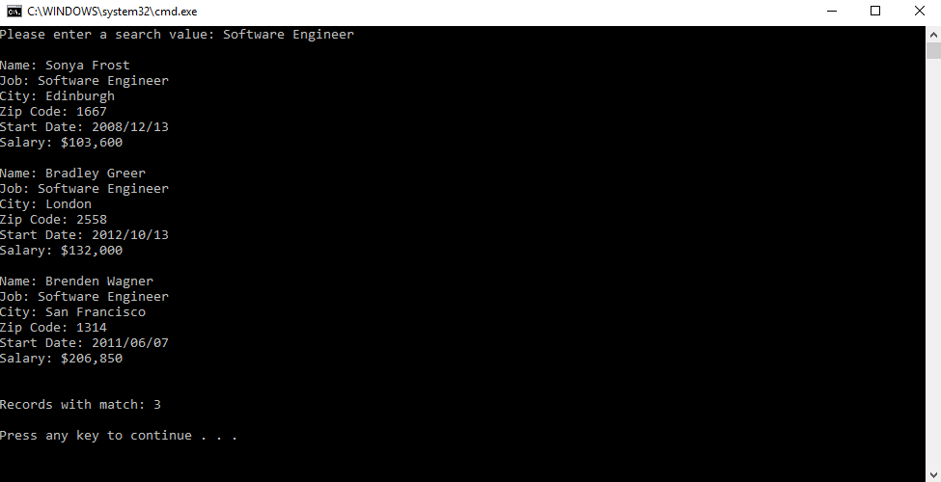
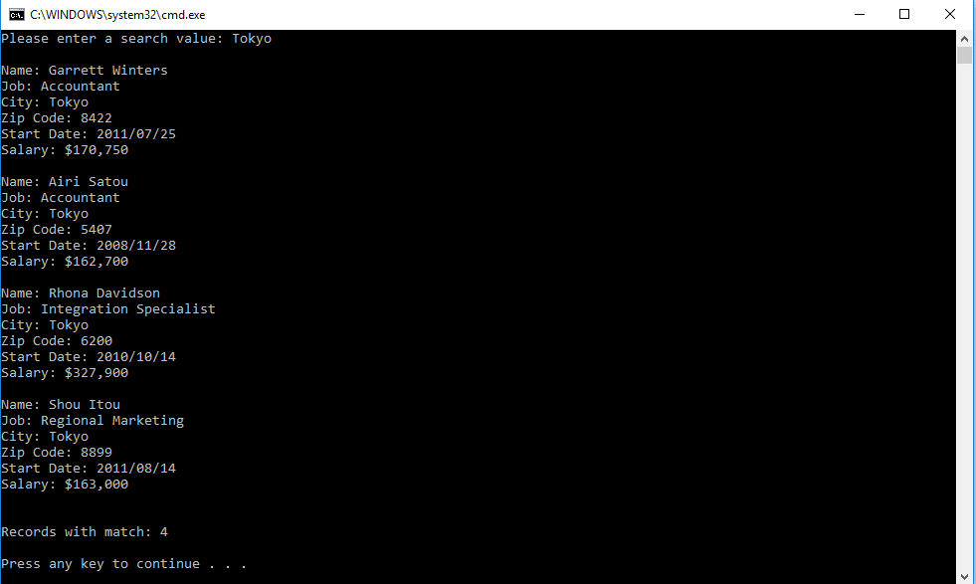
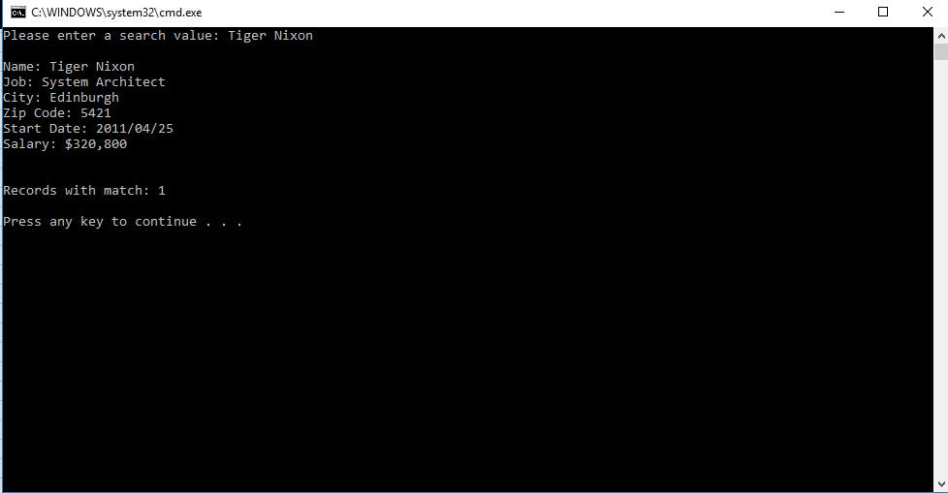
# | Test Case | Expected Result | Actual Result | Pass/Fail
1 | Program prompts the user to enter a search value | User can enter a search term | As expected | Pass
2 | User enters the search value for Software Engineer | 3 Matches are found with there name,job,city,zip code, start date and salary on the screen | As expected | Pass
3 | User enters the search value Tokyo | 4 Matches are found with there name,job,city,zip code, start date and salary on the screen | As expected | Pass
4 | User enters the search value for Tigre Nixon | 1 Matche is found with his name,job,city,zip code, start date and salary on the screen | As expected | Pass

